Testcases
THAQLAIN

Created By: |  | Mahrukh Siddiqui |  | Environment: | QA
Testing Devices |  | Android |  | Testing Started: | 2022-11-08
Browse: |  | Chrome

SPIRINT 1 -DESIGN COMPARISON / EXPLORATORY TESING

TC-ID | AREAS | Module | Testcases | Expected Result | Actual Result | Pass/Fail | QA Comments
TC_1 | A | HOME | Verify that Home screen banner will be dynamic
TC_2 |  |  | Verify that Playlist icon will be as per mockup Playlist option has been replace by Featured Videos
TC_3 |  |  | Verify that Featured Videos will be swipe right and left and can be play
TC_4 |  |  | Verify that View More hyperlink besides Featured Videos will be working
TC_5 |  |  | Verify that Blogs icon will be as per mockup
TC_6 |  |  | Verify that user will be able to open and read Blogs
TC_7 |  |  | Verify that VIEW MORE button under Blogs will be working
TC_8 |  |  | Verify that News icon will be as per mockup
TC_9 |  |  | Verify that user will be able to open and read/see News
TC_10 |  |  | Verify that Shorts icon will be as per mockup
TC_11 |  |  | Verify that shorts/reels will be played and canbe swipe right and left
TC_12 |  |  | Verify that Slideshows icon will be as per mockup
TC_13 |  |  | Verify that Slideshows icon is working
TC_14 |  |  | Verify that VIEW MORE option under Slideshows is working
TC_15 |  |  | Share icon on every slideshow will be working
TC_16 |  |  | View More/View Less option yet to be discussed with client
TC_17 |  |  | Guided by Thaqalain
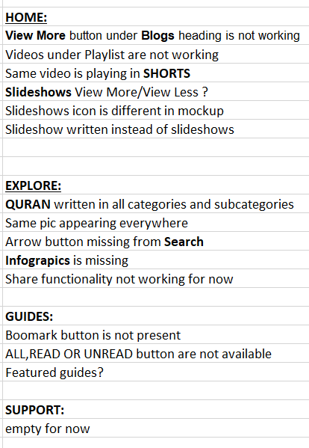
TC_18 |  | EXPLORE | Verify that Search bar will be appearing at top
TC_19 |  |  | Verify that guiding text of search will be appearing
TC_20 |  |  | Verify that Search functionality will be working and redirect to the written keyword
TC_21 |  |  | Verify that right arrow on search bar will be appearing
TC_22 |  |  | Verify that Categories and Sub-Categories names are properly appearing
TC_23 |  |  | Verify that when user will open any Category/Subcategory, it will show (All) (Series) (Videos) (Blogs) (Slideshows)
TC_24 |  |  | Verify that those 3 parts will be appearing at top as filter
TC_25 |  |  | Verify that categoies can not be change and subcategories can be change
TC_26 |  |  | Following categories will be appearing 1- history & personalities 2- beliefs 3- ethics 4- rulings/law 5- quran & hadith 6- spirtuality
TC_27 |  |  | Following subcategories will be appearing 1- Prophet Muhammad (s) 2- piety 3- quranic topics 4- angels and jinns 5- Muslims in the west 6- marriage & family,
TC_28 |  |  | History and Personalities: - Categoy name appearing on top bar - (All) (Series) (Videos) (Blogs) (Slideshows) - Series (View More) hyperlink - Videos: view more button - Blogs: - Slideshows | - Series:How Medina was built witten 11 episodes but has 12 episodes - Empty screen on left swipe slideshows screen
TC_29 |  |  | Beliefs: - Categoy name appearing on top bar - (All) (Series) (Videos) (Blogs) - Series (View More) hyperlink - Videos: view more button - Blogs: - Slideshows | - Series The Magestic Angels of Islam top banner is not dynamic
TC_30 |  |  | Ethics: - Categoy name appearing on top bar - (All) (Series) (Videos) (Blogs) - Series (View More) hyperlink - Videos: view more button - Blogs: - Slideshows | - Previous categories series are repeating Series repeating
TC_31 |  |  | Rulings/law: - Categoy name appearing on top bar - (All) (Series) (Videos) - Series (View More) hyperlink - Videos: view more button - Blogs: - Slideshows | - It has only one series and also showing View more button - Seies showing 21 episodes and in actual it has 31 episodes in which 11 onwards episodes are not working.
TC_32 |  |  | Quran and Hadith: - Categoy name appearing on top bar - (All) (Series) (Videos) (Blogs) - Series (View More) hyperlink - Videos: view more button - Blogs: - Slideshows | - It has only one series and also showing View more button - Series showing 30 episodes in which 11 onwards episodes are not working.
TC_33 |  |  | Spirtuality: - Categoy name appearing on top bar - (All) (Series) (Videos) (Blogs) (Slideshows) - Series (View More) hyperlink - Videos: view more button - Blogs: - Slideshows | - Du'a Kumayl Series has 14 episodes in which 11 onwards episodes are not working -Slide show (9 Amazing things to know about tasbeeh Fatima A ) no. 8 & 9 are swapp
TC_34 |  |  | Verify that VIEW MORE button will be appearing at the bottom of each option | As per discussion with the dev, View more shows only when blogs are more than 3
TC_35 |  | SERIES | Verify that Series have Playlist
TC_36 |  |  | Verify that Series can have more than one chapter
TC_37 |  | GUIDES / BLOGS | Verify that user can open and read the guide
TC_38 |  |  | Verify that Bookmark button appearing and working
TC_39 |  |  | Verify that Share buttton is appearing and working
TC_40 |  | SUPPORT | Verify that Support screen will show donation screen

SPIRINT 2 -DESIGN COMPARISON TESTING & FOCUS ON "EXPLORE" TOPIC |  |  |  | Date: 18 Nov, 2022

TC-ID |  | Module | Testcases | Expected Result | Actual Result | Pass/Fail | QA Comments
 |  | HOME | Verify that Home screen banner will be dynamic
 |  |  | Verify that Playlist icon will be as per mockup
 |  |  | Verify that Playlist will be swipe right and left and can be play
 |  |  | Verify that Blogs icon will be as per mockup
 |  |  | Verify that user will be able to open and read Blogs
 |  |  | Verify that VIEW MORE button under Blogs will be working
 |  |  | Verify that News icon will be as per mockup
 |  |  | Verify that user will be able to open and read/see News
 |  |  | Verify that Shorts icon will be as per mockup
 |  |  | Verify that shorts/reels will be played and canbe swipe right and left
 |  |  | Verify that Slideshows icon will be as per mockup
 |  |  | Verify that Slideshows icon is working
 |  |  | Verify that VIEW MORE option under Slideshows is working
 |  |  | View More/View Less option yet to be discussed with client
 |  |  | Guided by Thaqalain
 |  | EXPLORE | Verify that Search bar will be appearing at top
 |  |  | Verify that guiding text of search will be appearing
 |  |  | Verify that Search functionality will be working and redirect to the written keyword
 |  |  | Verify that right arrow on search bar will be appearing
 |  |  | Verify that Categories and Sub-Categories names are properly appearing
 |  |  | Verify that when user will open any Category/Subcategory, it will show 3 parts i.e. VIDEOS, BLOGS & INFOGRAPHICS
 |  |  | Verify that those 3 parts will be appearing at top as filter
 |  |  | Verify that VIEW MORE button will be appearing at the bottom of each option

mockups

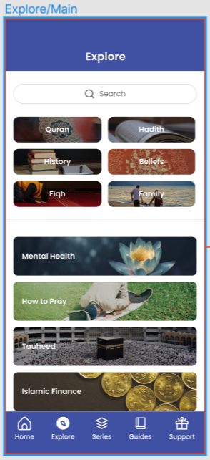
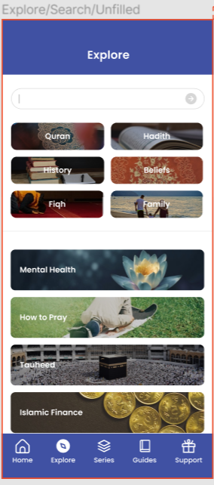
1 | 2 | 3
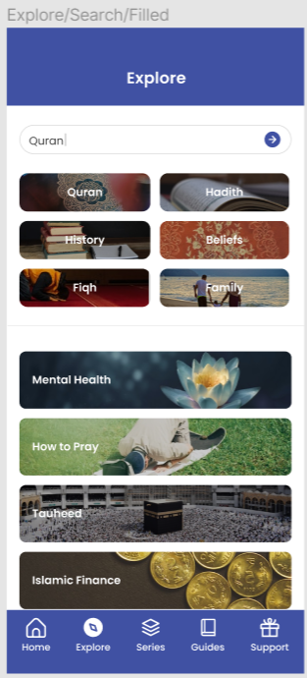

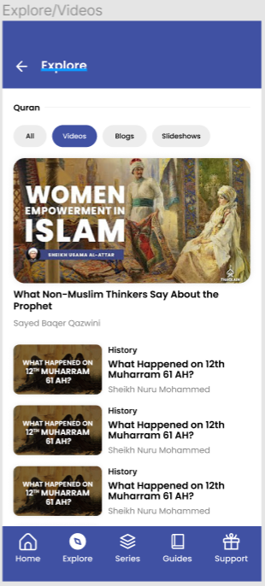
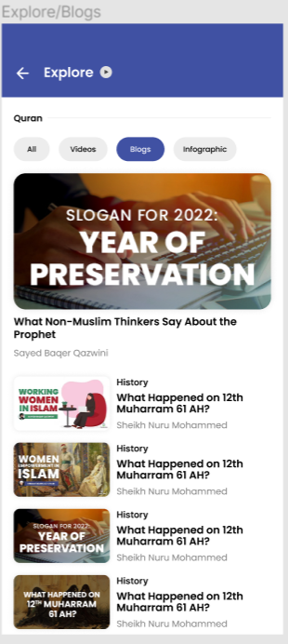
4 | 5 | 6
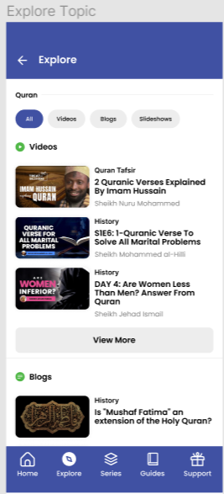

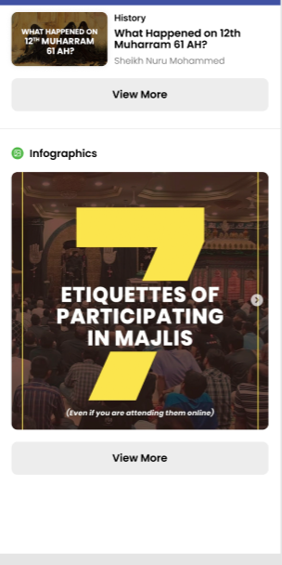

 | 7

API (Bugs)
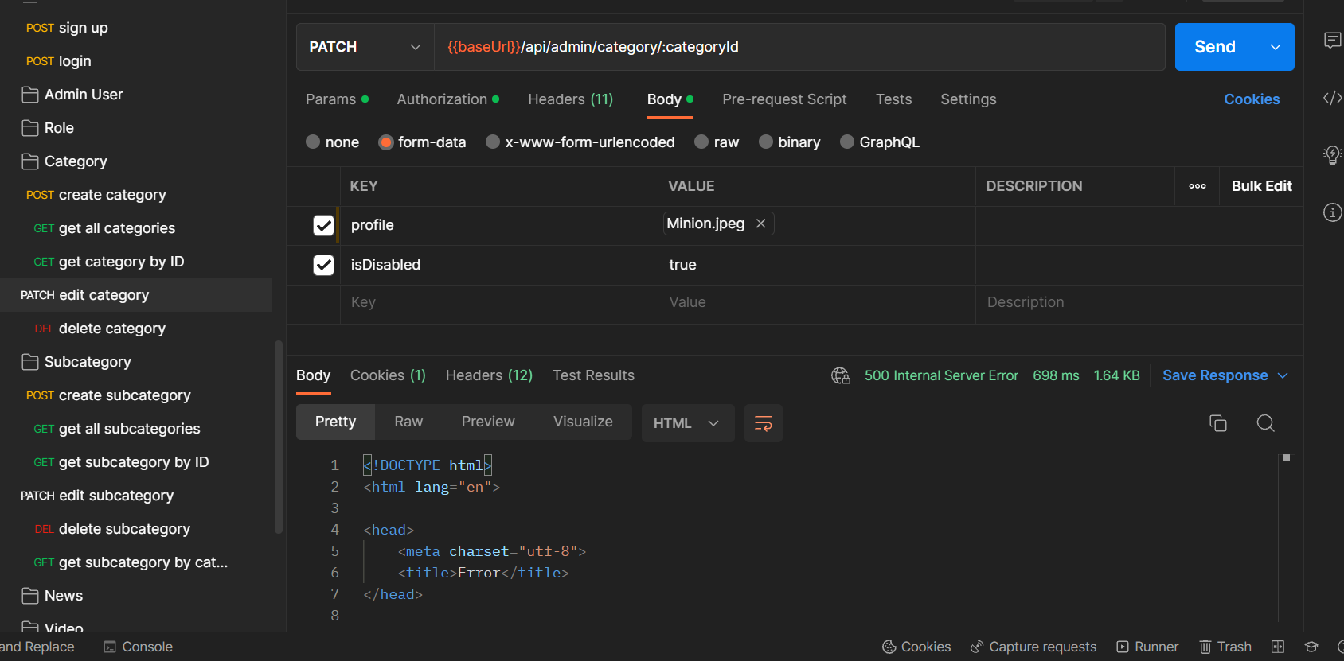
TC_1

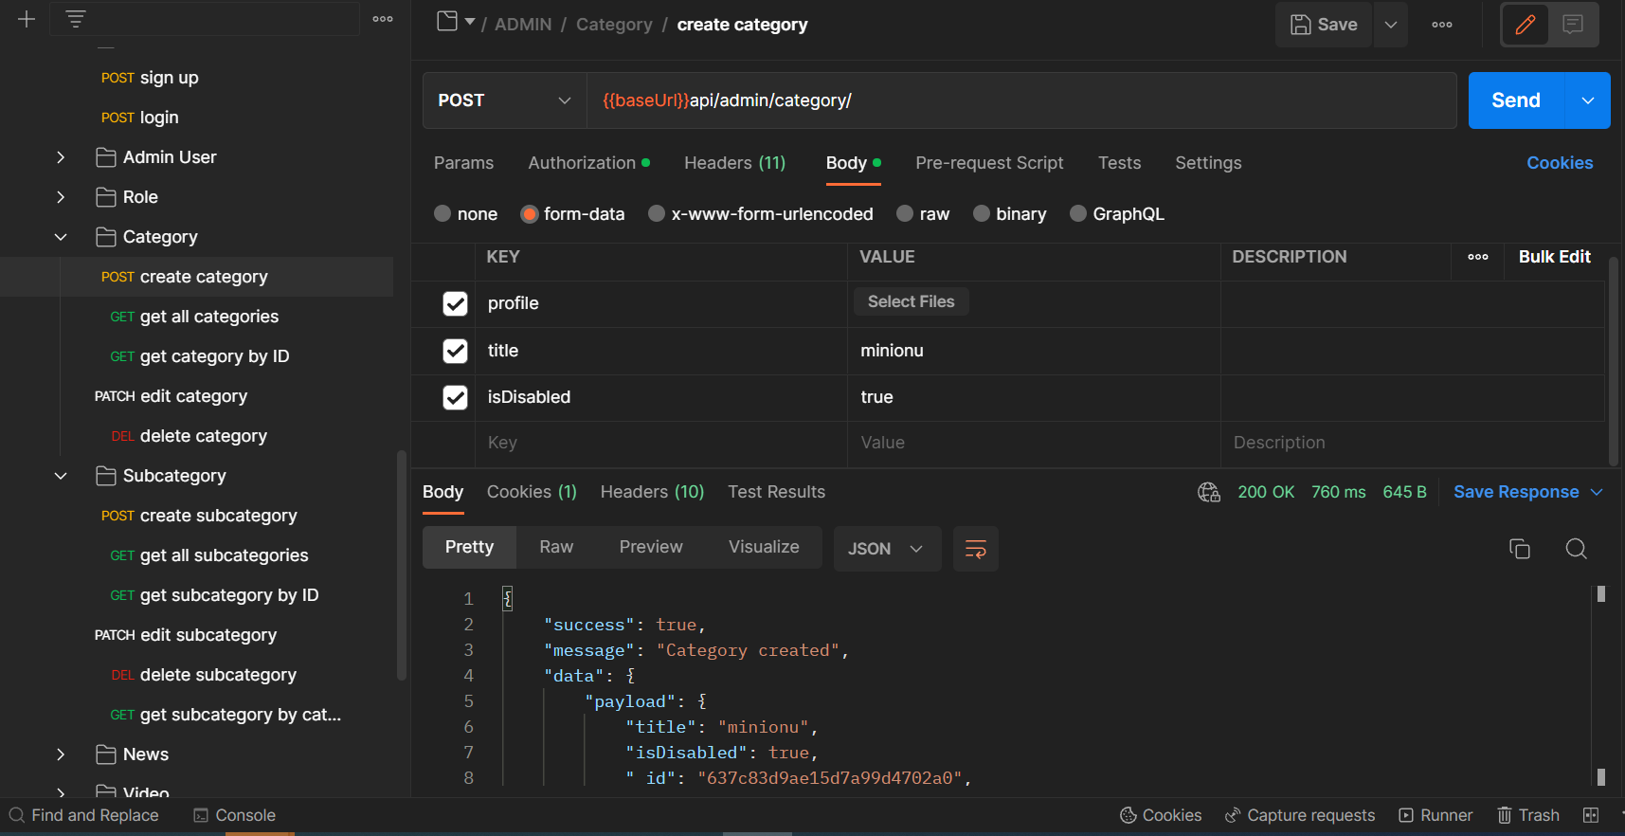

TC_3

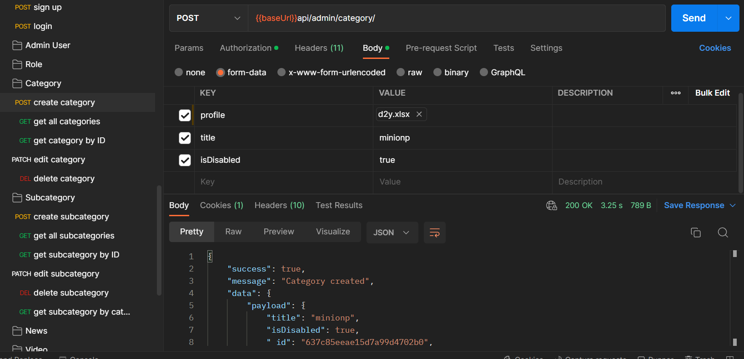

TC_12

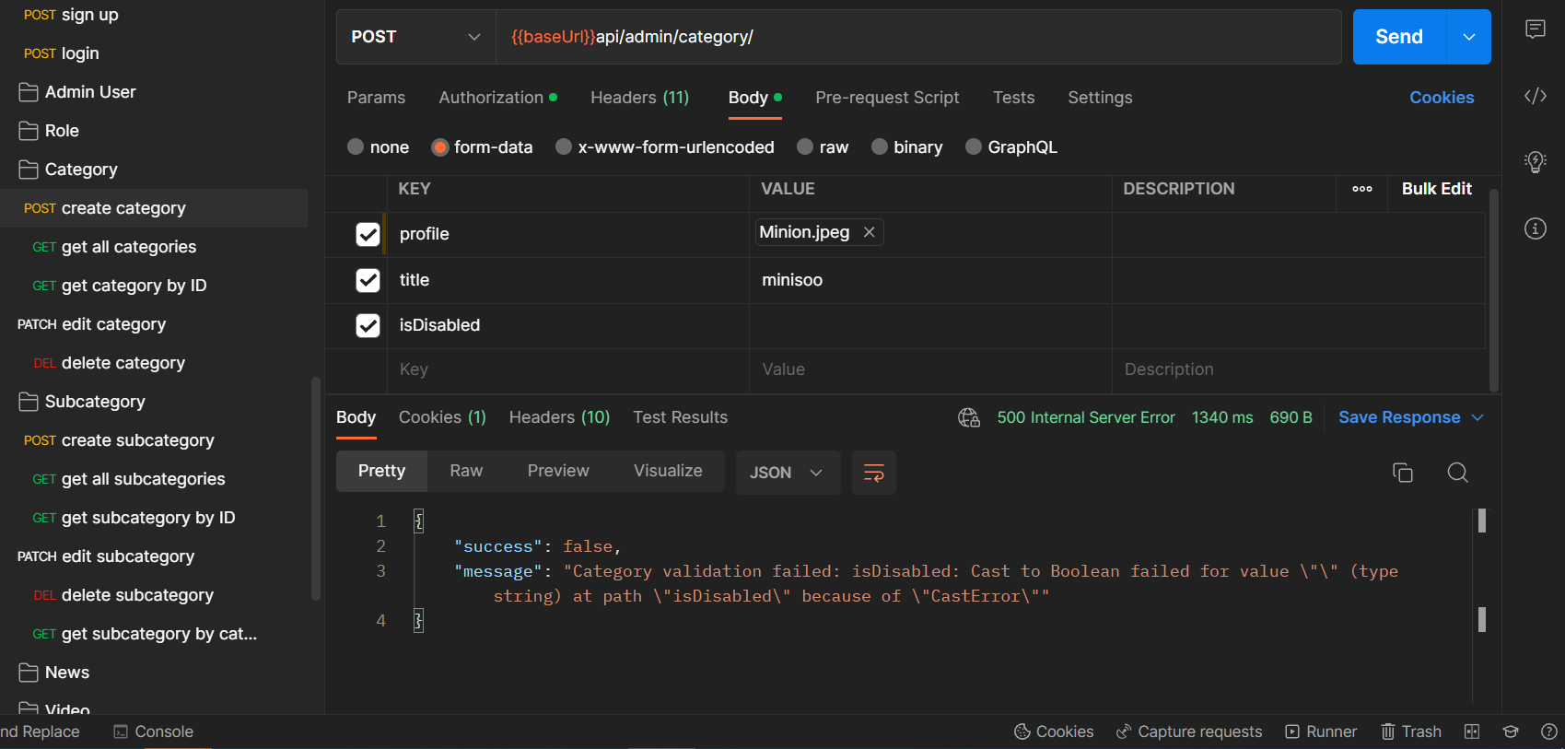

TC_15

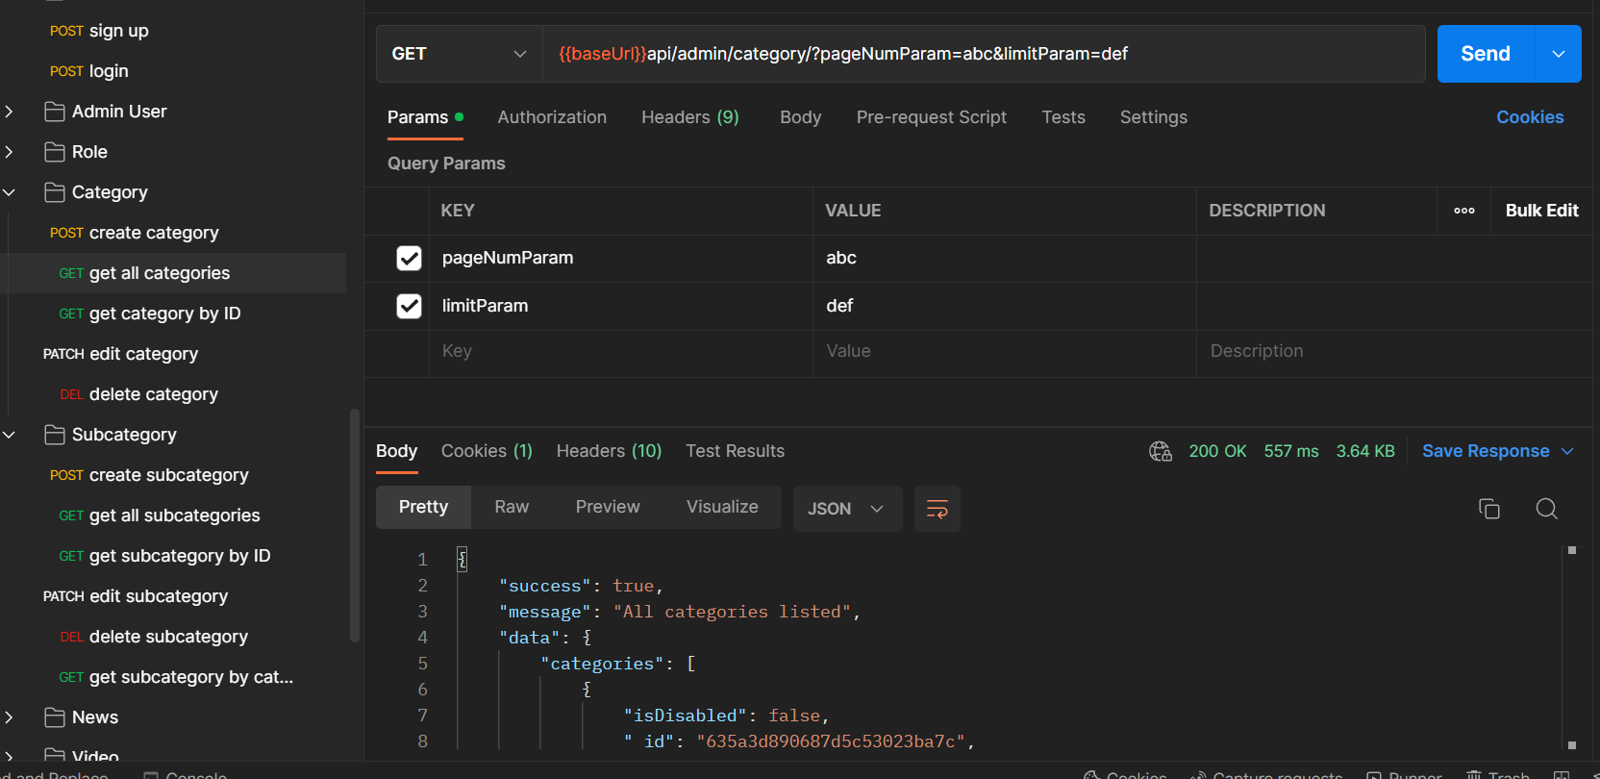

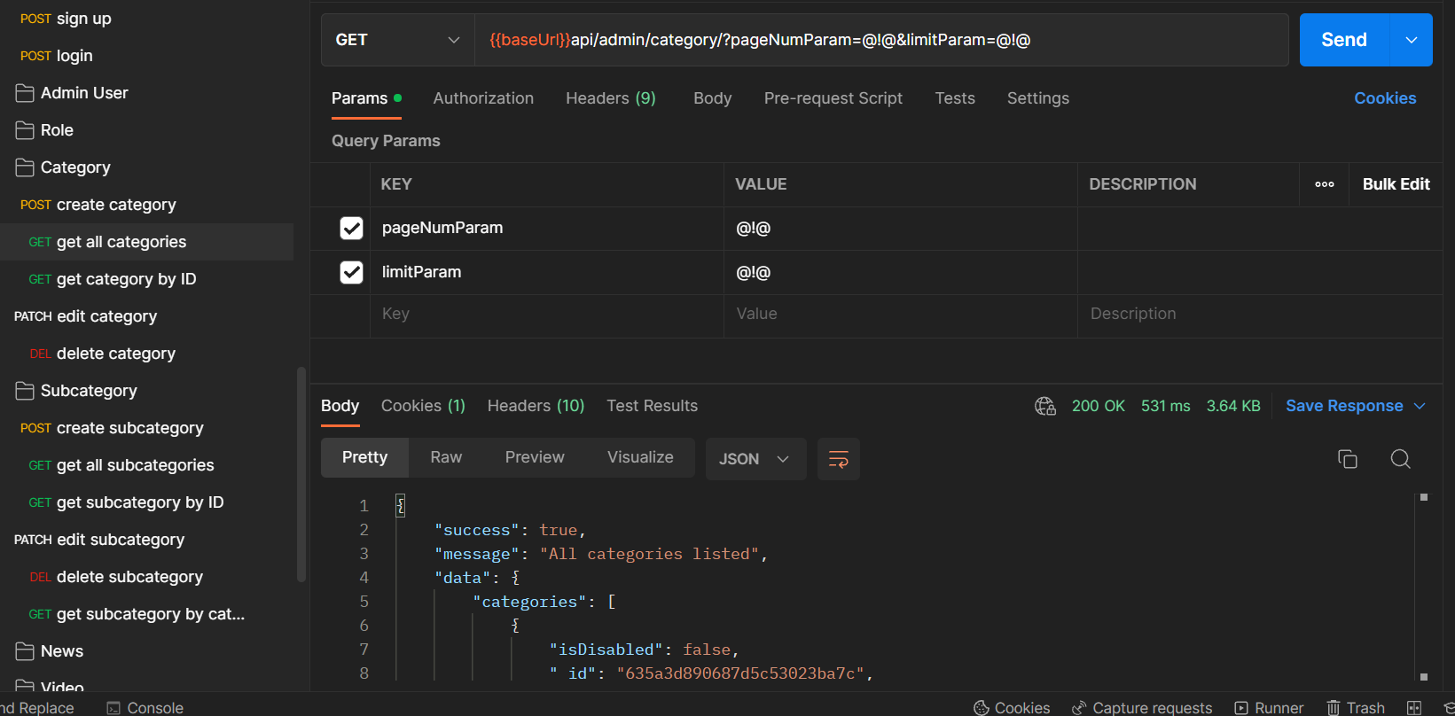

TC_19

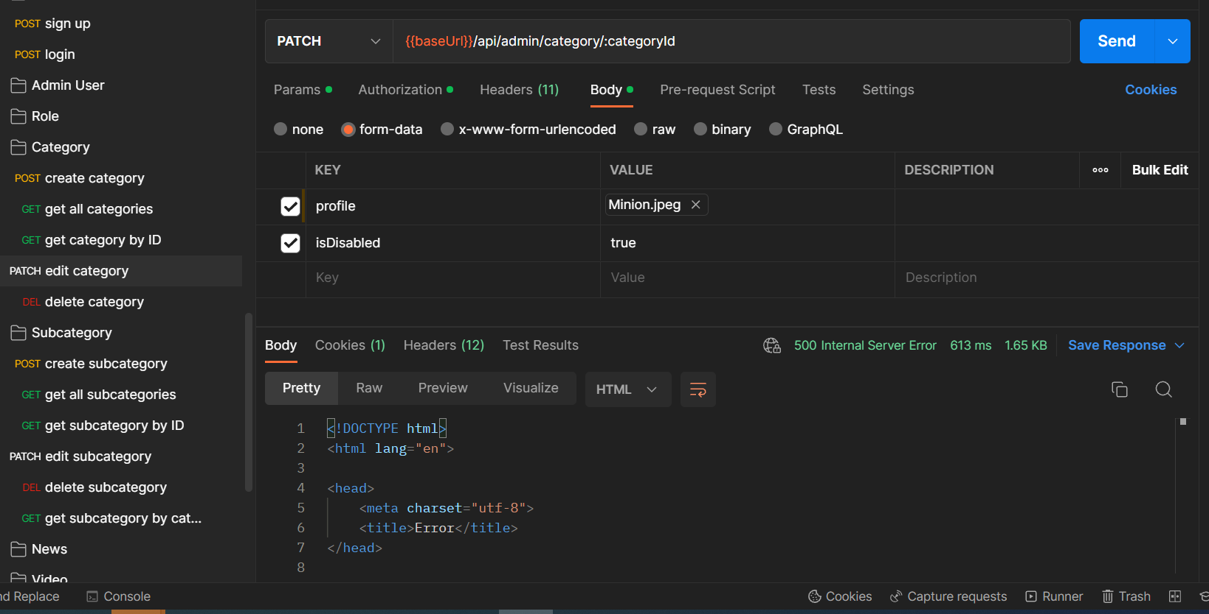

TC_20
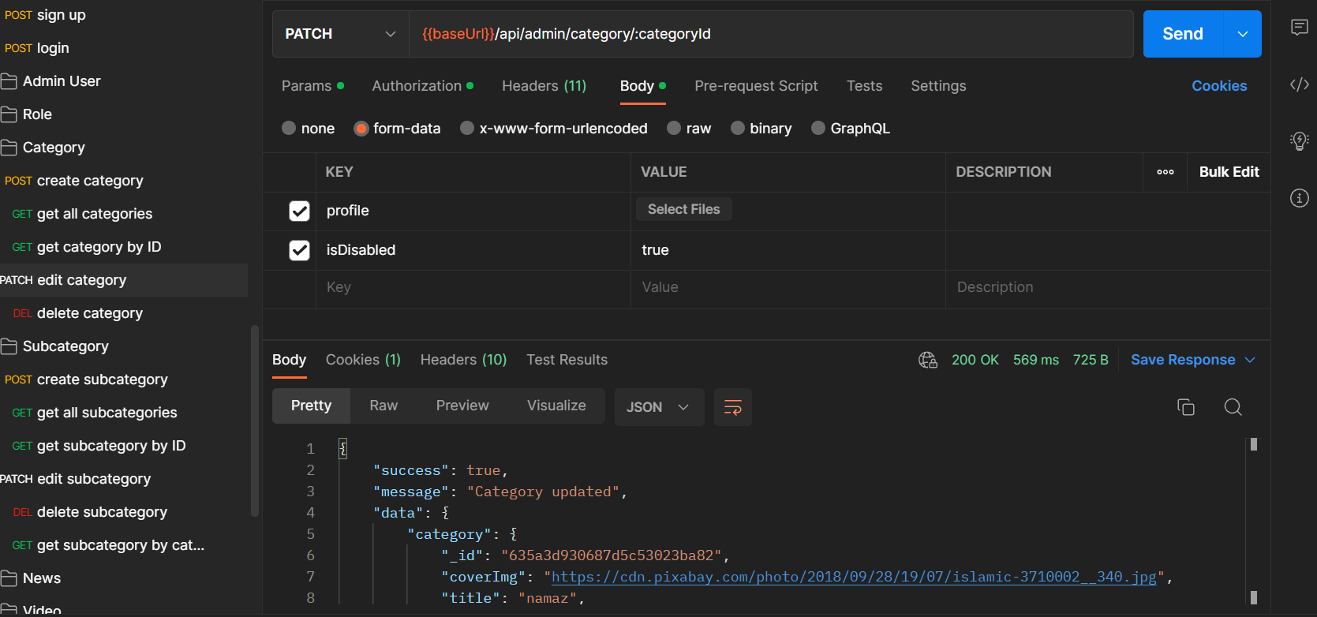

TC_22

